GUI CGI SPEC
Xmind
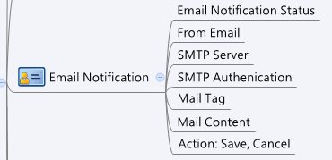

Behavior
1. "Email Notification Status", "From Email", "SMTP Server" and "SMTP Authentication" cannot be editted.
2. Please grey out this page if av_general.cgi->enable = 0 or av_general.cgi->licensed = 0 or 1

[UI Display Name] | [CGI Name] | [JSON Name] | [Description]
Email Notification Status | av_email_notify.cgi | mailStatus | string: Disabled/Enabled. Cannot be editted
From Email | av_email_notify.cgi | fromMail | string:email address. Cannot be editted
SMTP Server | av_email_notify.cgi | smtpServer | string. Cannot be editted
SMTP Authenticaion | av_email_notify.cgi | smtpAuth | string: on/off. Cannot be editted
Mail Tag | av_email_notify.cgi | mailTag | string: length:1~30
Mail Content | av_email_notify.cgi | mailContent | string:length:1~255

## cgi name ## av_email_notify.cgi ## GET for get previous settings ## { "status":"Enabled","fromMail":"123@123.com","smtpServer":"smtp.123.com","smtpAuth":"off","mailTag":"Archer","mailContent":"This mail has virus . UTM Gateway AntiVirus Service by Tech Titan Corp.","licensed":"1" } ## POST for set new settings ## {
"status":"Enabled","fromMail":"123@123.com","smtpServer":"smtp.123.com","smtpAuth":"off","mailTag":"Tech Titan","mailContent":"This mail has virus . UTM Gateway AntiVirus Service by Tech Titan Corp.","licensed":"1" }
JSON String

